Q #9
RF Taylor - 9 |  |  |  |  | Solution ->

 | Given the following output from an ODP cross-classified GLM as of December 31, 2017, based on 5x5 loss triangle for accident years 2013-2017.

$$ln{\hat{⍺}}_{k}$$
$$ln{\hat{β}}_{j}$$
 |  | j or k
 |  | 1 | 5.561 | 3.231
 |  | 2 | 5.787 | 3.463
 |  | 3 | 6.102 | 2.987
 |  | 4 | 6.315 | 1.456
 |  | 5 | 5.987 | 0.000

 | • There is no development beyond 60 months

$${\hat{⍺}}_{k}$$
$${\hat{β}}_{j}$$
 | a.
 | Determine re-normalized and parameters that underlie the non-GLM version of the ODP cross-classified model.

 | b.
 | Use the re-normalized parameters to estimate the reserves for accident year 2015.

 | c.
 | Use the re-normalized parameters to determine the ultimate losses for accident year 2013.

SHOW ALL WORK.

Q #10
RF Taylor - 10 |  |  | Solution ->

 | A Tweedie Mack model with p = 1.48 is fit on a triangle of incremental paid losses. Given the following as of December 31, 2017:

$${\hat{f}}_{48}$$
$${\hat{φ}}_{48}$$
 | • Cumulative paid losses for accident year 2014 are: | $400,000
 | • (from the model) = | 1.125
 | • (from the model) = | 2.00
 | • There is no development beyond 60 months

 | a.
 | Briefly describe the Tweedie distribution above in terms of frequency and severity distributions.

 | b.
 | Determine the location parameter for accident year 2014 at 60 months.

 | c.
 | Calculate the variance of the incremental paid losses between 48 and 60 months for accident year 2014.

 | d.
 | Pretend the power p underlying the Tweedie Mack model above corresponds to an over-dispersed Poisson distribution. Calculate the variance of the incremental paid losses between 48 and 60 months for accident year 2014.

 | e.
 | Pretend the power p underlying the Tweedie Mack model above corresponds to a Gamma distribution. Calculate the variance of the incremental paid losses between 48 and 60 months for accident year 2014.

SHOW ALL WORK.

Q #11
RF Taylor - 11 |  |  |  | Solution ->

 | An ODP cross-classified GLM is fit to a triangle of incremental paid losses. Given the following plot of standardized Pearson residuals and associated standard deviations:

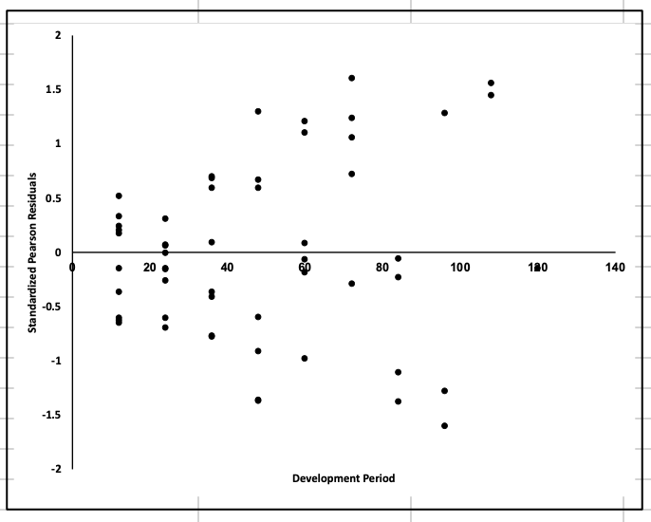

 |  | Development Period Range | Standard Deviation of Pearson Residuals

 |  | 12-36 | 0.460
 |  | 12-60 | 0.652
 |  | 48-120 | 1.060
 |  | 60-120 | 1.161

 | a.
 | Briefly describe the variance assumption underlying the ODP cross-classified model.

 | b.
 | Briefly describe how the residuals in the plot above violate the assumption identified in part a. above.

 | c.
 | Using the standard deviations above, propose an adjustment to the variance assumption to correct the issue identified in part b. above.

SHOW ALL WORK.

Q #12
RF Taylor - 12 |  |  |  |  |  |  |  | Solution ->

 | Given the following cumulative paid losses for an insurer as of December 31, 2017:

 |  | AY | Cumulative Paid Losses ($000)
 |  |  | 12 mo. | 24 mo. | 36 mo. | 48 mo. | 60 mo.
 |  | 2013 | 3,500 | 6,000 | 6,500 | 7,000 | 7,050
 |  | 2014 | 4,000 | 7,000 | 7,900 | 8,000
 |  | 2015 | 2,800 | 5,000 | 5,900
 |  | 2016 | 3,200 | 5,500
 |  | 2017 | 3,900

 | a.
 | Fully specify the ODP Mack GLM for the triangle above using matrix notation.

 | b.
 | Fully specify the ODP cross-classified GLM for the triangle above using matrix notation.

$$\hat{β}$$
$$Y^{∗}$$
 | c.
 | Create the , forecast design and matrices for the triangle above based on the ODP cross-classified GLM.

SHOW ALL WORK.

Q #13
RF Taylor - 13 |  |  |  |  |  |  | Solution ->

 | An ODP cross-classified model is fit to the following incremental paid losses as of December 31, 2017:

 |  | Incremental Paid Losses ($000)
 | AY | 12 mo. | 24 mo. | 36 mo. | 48 mo. | 60 mo.
 | 2013 | 3,500 | 3,000 | 700 | 300 | 50
 | 2014 | 4,000 | 3,000 | 700 | 150
 | 2015 | 2,800 | 2,100 | 900
 | 2016 | 3,200 | 2,300
 | 2017 | 3,900

$$\hat{φ}=$$
 | • | 40,000
 | • The contribution of the accident year 2016 incremental paid loss between 0 and 12 months to the
 | total deviance is: |  | 2,500,000

 | • There is no development beyond 60 months

 | a.
 | Determine the full set of ⍺k and 𝛽j parameters underlying the ODP cross-classified model.

 | b.
 | Calculate the coefficient of variation of incremental paid losses between 12 and 24 months for accident year 2017.

 | c.
 | Calculate the standardized Pearson residual for the incremental paid losses between 0 and 12 months for accident year 2016.

 | d.
 | Calculate the standardized deviance residual for the incremental paid losses between 0 and 12 months for accident year 2016.

 | e.
 | Describe the shapes of the following for a large, non-normal loss dataset:
 | • Histogram of standardized Pearson residuals
 | • Histogram of standardized deviance residuals

SHOW ALL WORK.

2019 #12
 | Source: | Spring 2019 | Exam 7 | Q #12 |  |  | Solution ->
 | Points: | 2.00

 |  | The Exponential Dispersion Family ("EDF") is a family of distributions with probability
 |  | density function π(y; 𝜃, 𝜙) of the form:
$$\ln{π}\left(y;θ, φ\right)=\frac{yθ−b\left(θ\right)}{a(φ)}+c(y,φ)$$

 |  | and variance function of the form:
$$V\left(μ\right)=b′′({\left(b^{′}\right)}^{−1}\left(μ\right))$$

a. | 0.5 point | Briefly describe the parameter 0 and the function b (θ) in the equation above.

b. | 0.5 point | Explain how the Tweedie sub-family can be obtained from the EDF above.

c. | 0.25 point | Briefly describe how to select a Tweedie distribution for a heavy-tailed exposure.

 |  | Given the following information as of December 31, 2018:

 |  |  |  | Cumulative Paid Loss ($000)
 |  |  | Accident | as of (months)
 |  |  | Year | 12 | 24 | 36
 |  |  | 2016 | 180 | 1,000 | 1,200
 |  |  | 2017 | 200 | 600
 |  |  | 2018 | 150

 |  | A GLM is used to model the incremental paid losses. The GLM uses a log link function and
 |  | a Tweedie error distribution specified by:

 |  | • p = 1
 |  | • b (𝜃) = exp(𝜃)
 |  | • μ = exp (𝜃)
 |  | • ln π(y; 𝜃, 𝜙) = [y ln(μ) - μ] /𝜙

d. | 0.75 point | Calculate the accident year 2018 ultimate loss.

SHOW ALL WORK.

